Instructions
Instructions: Cost Estimate - Roads |  | Revision 18

Introduction
This spreadsheet has been developed to allow a user (be it a Local Government, consultant or otherwise) to undertake an efficient and consistent damage pickup of a road network asset following a disaster event. The intention is to record individual damage items such as scouring and assign a standard remediation method with an estimated unit rate for reconstruction. This record of damage and accompanying cost estimate can then be submitted for review and funding approval. In short, a user must describe a damaged item and provide a unit cost per metre to reconstruct the asset. It is recommended to take photographs of the damaged asset and utilise a laptop (or phone with Excel) to record items in the field. Additionally, Fulton Hogan's SLKMeter app downloaded to a smartphone will greatly assist in identifying roads and current user location with reference to Straight Line Kilometres (SLK). Use the steps outlined below to record damage and estimate repair costs. Once the estimate is complete, the Summary and Verification worksheet must be completed to ensure the estimate meets the necessary assurance requirements.

Step 1 - Unit Rates
- Within the tab 'Unit Rates', review and edit step 4 (Definitions & Descriptors) to begin with as the priority. At this stage the user will only need to familiarise themselves with the current descriptors and add any further items they deem necessary. Each of the current descriptors can be overwritten or the Custom fields may be changed instead.

Step 2 - Asset Summary
- Complete the relevant fields for referencing the project, applicant details etc. - Click the empty cell for 'Road Name' and enter the road name that the user is working on - Enter the 'Road Number' if known.

Step 3 - Damage Pickup
- In the cell 'Road Name', select the road the user is working on from the drop-down list. This drop-down list is automatically populated using the 'Road Name' list in the tab 'Asset Summary' - Click the empty blue cell and enter the SLK value that the damage item begins at - Move left-to-right along the worksheet, filling in the relevant data required for the individual damage item. Some cells will have the text greyed out, these contain formulas and should not be overwritten. A remediation method and unit rate will be assigned based upon the damage descriptor the user selects (as denoted in step 4 of Unit Rates tab). A new road name should not be added until the current road damage pickup has been completed. - FW=Full Width; LHS=Left Hand Side; RHS=Right Hand Side; CL=Centreline - The column 'Factor Cost (List Reasons)' allows a user to scale up or down a unit rate if they deem it necessary. Unit rates will be calculated from a typical width or dimension that may be locally wider for a particular item. For example, a unit rate for grading shoulders has been prepared based on a 2m wide shoulder, however it may need to be 4m wide for this particular item. The scale factor of 2 can be entered allowing a doubling of the cost to reflect the doubling of the damaged area. - Once the item is recorded, enter the finish SLK - If there is another damage item to record on this road, move to the next row and repeat the process, beginning with the empty blue cell - If there are no other damage items to record on this road, return to the tab Asset Summary' to enter the next road name

Step 4 - Unit Rates
The intention is to provide a unit rate for different types of remediation that can be applied quickly across multiple items. This methodology requires the user to think about how certain factors may affect the project reconstruction. - Move through each of the steps (1 - 7) within the 'Unit Rates' tab. Cells in blue are editable and in the case of descriptors, plant hire and definitions, the existing names can be overwritten or amended. Step 1, Overheads, should be updated to suit the individual project costs.

General Rules
- Logging of damage by SLK's can be in either direction, i.e. the 'Start SLK' can be larger than the 'End SLK' to allow ease of travelling direction for pickup - Only one row for each damage item can be used, i.e.. they cannot be combined unless a unit rate has been designed for that scenario, e.g. drain scour AND shoulder scour - If "copy/pasting" individual cells, use the "Paste As Text" but don’t overwrite cells with greyed font (with equations) - If a damaged asset is too detailed for general remediation, select "Refer to Comments" for damage description and then fill out Comments section with enough detail/dimensions for seeking a quote later on. The item will be highlighted red to prompt the user to enter a value in at a later stage. - The column 'Estimated Cost' can be overwritten with any value the user chooses, however if its edited, the cell will highlight yellow, indicating an alternative cost has been entered - To enter locations for single items like culverts, leave the 'End SLK' blank or equal to the 'Start SLK' - Rows can be inserted (see methodology below), we advise damage items are kept in chronological/SLK order

To Unprotect / Reproject worksheet
1. Click Review > Unprotect
2. All cells will become editable, be careful not to affect formulas while unprotected

3. Reprotect the worksheet by clicking Review > Protect > Ok

To Insert a Row
1. Unprotect worksheet (Review > 'Unprotect'), making sure that once the row is inserted, the sheet is reprotected to
avoid accidental changes to spreadsheet structure
2. Right-click on the row and click "Copy" | 3. Right-click on the same row and click "Insert copied cells"

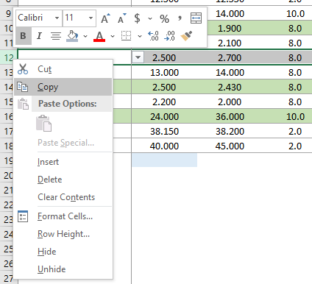
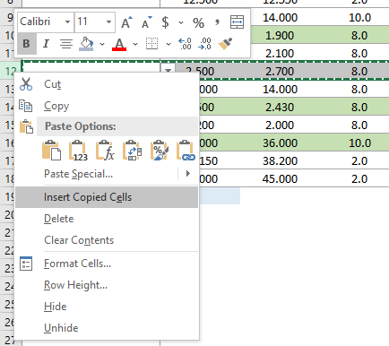

4. Row will be inserted above, overwrite data as though
it’s a new entry
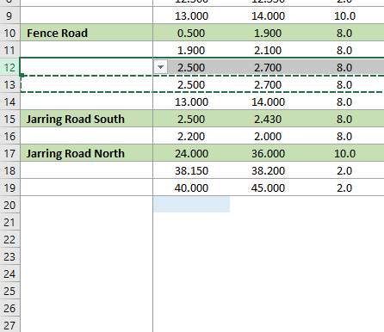

Partially filled example of the tab 'Damage Pickup'

